Graph
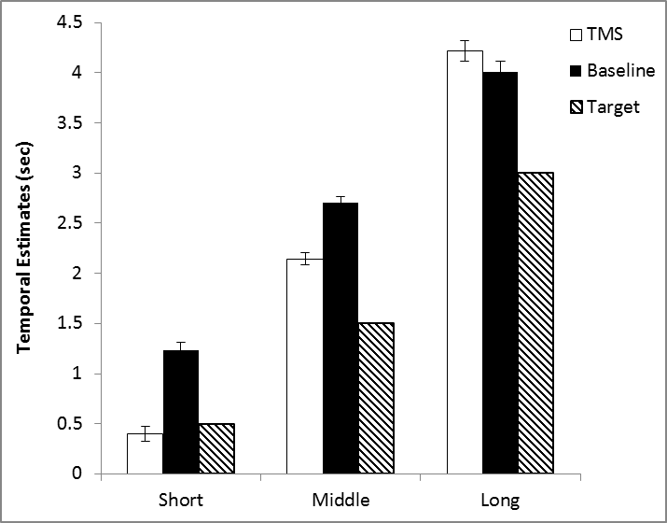

Error bars are SEM (standard error of the mean).

